Executive Summary
Commission Percentage vs Sales Correlation
 |  | · Historicaly, products with the highest commission percentage are being sold at about a 20% higher rate.
 |  | - However, higher percentage does not correlate to higher payout per sale.

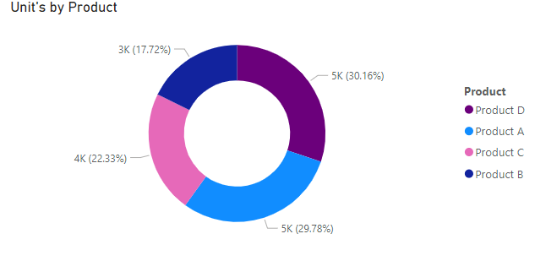

 | · In 2024 Product D is expected to sell slightly better than Product A. Still, these are the two products with the highest percentage payout.
 | - It is reasonable to assume that the sales team is pushing certain products over others based off the commission percentage

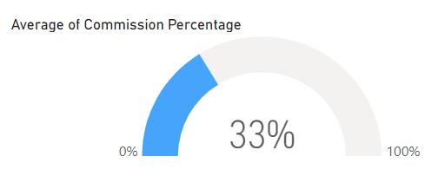

· The average commission percentage across all products is about 33%.
- Due to the commission percentage being an average it has virtually no net impact on the P&L.
*Running the same scenario with Product E, there was a slight increase in Commission expense and about a $12k decrease
in overall profit
- Neither analysis takes into consideration the impact of Sales personnel reactions on sales patterns.

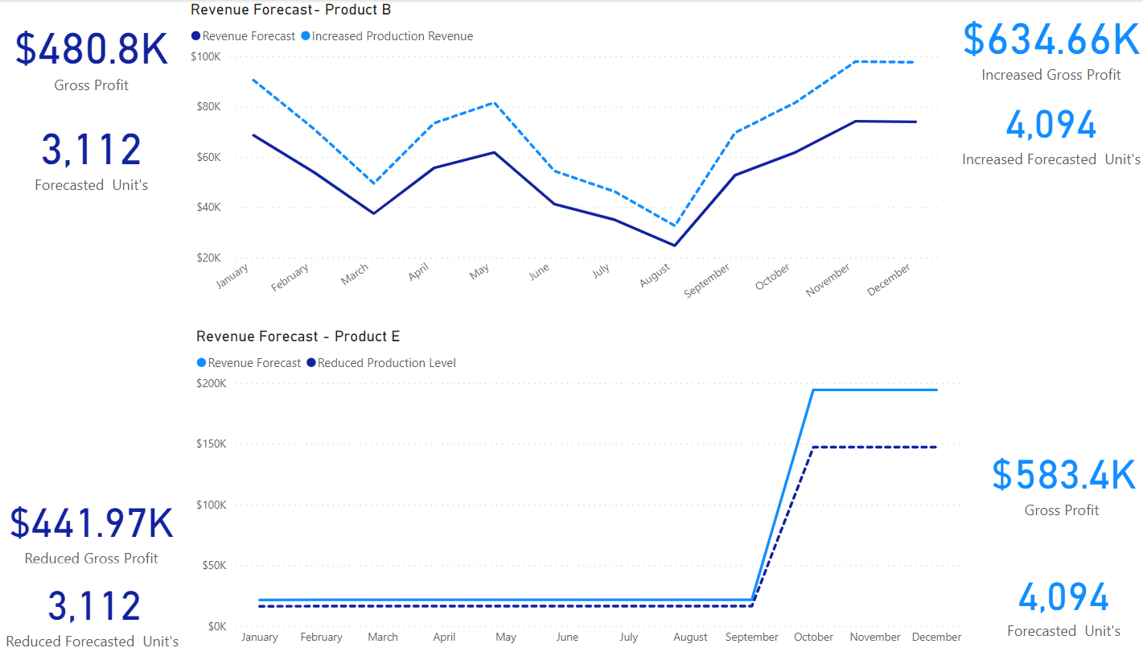
 |  |  | · Product E would need to produce an extra 32% in sales(~1k units) for it to be more profitable than Product B.
 |  |  | - If Sales Performance were equal to Product B's forecast , it would result in a $30k decrease in annual profit for 2024.
 |  |  | - In contrast, if we increased Product B sales, by the same 32% it would result in a $150k increase in annual profit for 2024.
 |  |  | * There is no guarantee that those sales would flow specifically to Q4.
 |  |  | - Based off the assumption, that sales personnel is pushing products with higher commission percentage payouts, it is unlikely that
 |  |  | they would feel encouraged to sell more Product E.

· Final Suggestions:
- It would be more beneficial to roll out a sales incentive program for our current product (Product B) than to introduce a new product in the market (Product E).
*However, Since Product C is our most profitable product, efforts would be best spent increasing sales for Product C.
-Even with increasing the commission payout to 33%, Product C would still be more profitable than all other products.
- We have seen great success in the past with sales incentive bonuses. We could specifically run the incentive program in the last quarter of the year to boost Q4 results.

